Umwandlung NEU JENS
ATTRAKDIFF Umwandlung | PQ_2 [R] | ATT_2 | PQ_3 [R] | ATT_3 [R] | PQ_1 [R] | HQI_2 | HQS_1 | HQI_1 | ATT_1 [R] | PQ_4 |  |  |  |  |  |  | Profil der Wortpaare |  |  | Mittelwert PQ |  |  | Mittelwert HQ |  |  | Mittelwert ATT |  |  | Profil der Wortpaare |  |  | Mittelwert PQ |  |  | Mittelwert HQ |  |  | Mittelwert ATT
 | 1. simple | complicated | 2. ugly |attractive | 3. impractical practial | 4. disagreeable | likeable | 5. technical | human | 6. unpro | pro | 7. conventional | inventive | 8. isolating | connecting | 9. unpleasant | pleasant | 10. cumbersome | straight | Profil der Wortpaare | Mittelwert PQ | Mittelwert HQ | Mittelwert ATT | Genauer: Profil der Wortpaare |  | Human | Abstract | Invisible | Human | Abstract | Invisible | Human | Abstract | Invisible | Human | Abstract | Invisible | Call | SMS | Weather | Call | SMS | Weather | Call | SMS | Weather | Call | SMS | Weather
 | 6 | 4 | 3 | 6 | 5 | 3 | 6 | 6 | 6 | 6 | 5.1 | 5 | 5 | 5.3333333333 | 5.1111111111 |  | 5.1 |  |  | 5 |  |  | 5 |  |  | 5.3333333333 |  |  |  | 5.1 |  |  | 5 |  |  | 5 |  |  | 5.3333333333
 | 6 | 6 | 5 | 6 | 3 | 6 | 7 | 6 | 6 | 6 | 5.7 | 5 | 6.3333333333 | 6 | 5.7777777778 |  |  | 5.7 |  |  | 5.7 |  |  | 6.3333333333 |  |  | 6 |  |  | 5.7 |  |  | 5 |  |  | 6.3333333333 |  |  | 6
 | 7 | 7 | 7 | 5 | 4 | 7 | 7 | 5 | 7 | 7 | 6.3 | 6.25 | 6.3333333333 | 6.3333333333 | 6.3055555556 |  |  |  | 6.3 |  |  | 6.3 |  |  | 6.3333333333 |  |  | 6.3333333333 |  |  | 6.3 |  |  | 6.3 |  |  | 6.3333333333 |  |  | 6.3333333333
 | 7 | 7 | 7 | 6 | 2 | 7 | 7 | 6 | 7 | 7 | 6.3 | 5.75 | 6.6666666667 | 6.6666666667 | 6.3611111111 |  |  |  | 6.3 |  |  | 6.3 |  |  | 6.6666666667 |  |  | 6.6666666667 |  | 6.3 |  |  | 5.75 |  |  | 6.6666666667 |  |  | 6.6666666667
 | 3 | 2 | 2 | 3 | 2 | 5 | 5 | 5 | 2 | 6 | 3.5 | 3.25 | 5 | 2.3333333333 | 3.5277777778 |  |  | 3.5 |  |  | 3.5 |  |  | 5 |  |  | 2.3333333333 |  |  |  | 3.5 |  |  | 3.5 |  |  | 5 |  |  | 2.3333333333
 | 6 | 5 | 4 | 6 | 5 | 5 | 7 | 7 | 5 | 7 | 5.7 | 5.5 | 6.3333333333 | 5.3333333333 | 5.7222222222 |  | 5.7 |  |  | 5.5 |  |  | 6.3333333333 |  |  | 5.3333333333 |  |  | 5.7 |  |  | 5.5 |  |  | 6.3333333333 |  |  | 5.3333333333
 | 6 | 3 | 5 | 6 | 6 | 6 | 7 | 6 | 2 | 7 | 5.4 | 6 | 6.3333333333 | 3.6666666667 | 5.3333333333 |  | 5.4 |  |  | 6 |  |  | 6.3333333333 |  |  | 3.6666666667 |  |  |  |  | 5.4 |  |  | 5.4 |  |  | 6.3333333333 |  |  | 3.6666666667
 | 6 | 6 | 5 | 5 | 3 | 7 | 7 | 4 | 6 | 7 | 5.6 | 5.25 | 6 | 5.6666666667 | 5.6388888889 |  |  | 5.6 |  |  | 5.6 |  |  | 6 |  |  | 5.6666666667 |  | 5.6 |  |  | 5.25 |  |  | 6 |  |  | 5.6666666667
 | 6 | 7 | 7 | 7 | 1 | 7 | 7 | 6 | 7 | 7 | 6.2 | 5.25 | 6.6666666667 | 7 | 6.3055555556 |  |  |  | 6.2 |  |  | 6.2 |  |  | 6.6666666667 |  |  | 7 | 6.2 |  |  | 5.25 |  |  | 6.6666666667 |  |  | 7
 | 6 | 3 | 5 | 5 | 2 | 6 | 6 | 5 | 5 | 6 | 4.9 | 4.75 | 5.6666666667 | 4.3333333333 | 4.9166666667 |  |  | 4.9 |  |  | 4.9 |  |  | 5.6666666667 |  |  | 4.3333333333 |  |  | 4.9 |  |  | 4.75 |  |  | 5.6666666667 |  |  | 4.3333333333
 | 7 | 2 | 6 | 5 | 1 | 6 | 1 | 2 | 2 | 6 | 3.8 | 5 | 3 | 3 | 3.6666666667 |  |  |  | 3.8 |  |  | 3.8 |  |  | 3 |  |  | 3 |  | 3.8 |  |  | 5 |  |  | 3 |  |  | 3
 | 6 | 6 | 6 | 6 | 6 | 7 | 7 | 6 | 6 | 5 | 6.1 | 5.75 | 6.6666666667 | 6 | 6.1388888889 |  | 6.1 |  |  | 5.75 |  |  | 6.6666666667 |  |  | 6 |  |  |  | 6.1 |  |  | 5.75 |  |  | 6.6666666667 |  |  | 6
 | 3 | 5 | 4 | 6 | 6 | 6 | 6 | 6 | 6 | 5 | 5.3 | 4.5 | 6 | 5.6666666667 | 5.3888888889 |  | 5.3 |  |  | 4.5 |  |  | 6 |  |  | 5.6666666667 |  |  | 5.3 |  |  | 4.5 |  |  | 6 |  |  | 5.6666666667
 | 7 | 4 | 7 | 4 | 1 | 7 | 5 | 4 | 4 | 5 | 4.8 | 5 | 5.3333333333 | 4 | 4.7777777778 |  |  |  | 4.8 |  |  | 4.8 |  |  | 5.3333333333 |  |  | 4 |  |  | 4.8 |  |  | 4.8 |  |  | 5.3333333333 |  |  | 4
...
 |  |  |  |  |  | 7 | 7 | 7 | 7 | 7 | 7 | 7 | 7 | 7 | 7 |  | 7 |  |  | 7
 |  |  |  |  |  | 7 | 2 | 2 | 2 | 4 | 3.6 | 5 | 3.6666666667 | 1.6666666667 | 3.4444444444 |  |  |  | 3.6 |  |  | 3.6
 |  |  |  |  |  | 6 | 2 | 5 | 6 | 1 | 3.9 | 4 | 4.3333333333 | 3.3333333333 | 3.8888888889 |  |  |  | 3.9 |  |  | 3.9
 |  |  |  |  |  | 7 | 7 | 7 | 6 | 6 | 6.8 | 6.75 | 7 | 6.6666666667 | 6.8055555556 |  | 6.8 |  |  | 6.75
 |  |  |  |  |  | 7 | 7 | 6 | 6 | 2 | 5.1 | 3.5 | 6.6666666667 | 5.6666666667 | 5.2777777778 |  |  | 5.1 |  |  | 5.1
 |  |  |  |  |  | 7 | 7 | 6 | 6 | 2 | 4.9 | 4 | 6.6666666667 | 4.3333333333 | 5 |  |  | 4.9 |  |  | 4.9
 |  |  |  |  |  | 7 | 6 | 7 | 6 | 7 | 6.8 | 7 | 6.6666666667 | 6.6666666667 | 6.7777777778 |  | 6.8 |  |  | 7
 |  |  |  |  |  | 6 | 1 | 2 | 1 | 5 | 3.2 | 5 | 3 | 1 | 3 |  |  |  | 3.2 |  |  | 3.2
 |  |  |  |  |  |  | Mittelwerte: |  |  |  |  |  |  |  |  | Mean | 5.4259259259 | 4.4537037037 | 4.7833333333 | 5.5092592593 | 4.4537037037 | 4.7833333333
 |  |  |  |  |  |  | conditions | Human | Abstract | Invisible |  | Profil der Wortpaare: |  |  |  | STABW (SD) | 1.0096113927 | 1.3210506058 | 1.0210519917 | 1.1295379784 | 1.3210506058 | 1.0210519917
Profil der Wortpaare
 | Human | Abstract | Invisible
PQ: technical - human | 1.4814814815 | -1.2592592593 | -1.0925925926
PQ: complicate - simple | 1.7592592593 | 1.2407407407 | 1.9259259259
PQ: impractical - practical | 1.6666666667 | 0.81481481481 | 1.6481481481
PQ: cumbersome - straightforward | 1.1296296296 | 0.38888888889 | 1.0185185185
HQ: isolating - connective | 1.7037037037 | 0.44444444444 | 0.18518518519
HQ: unprofessional - professional | 1.3888888889 | 1.037037037 | 1.7407407407
HQ: conventional - inventive | 0.33333333333 | 1.2592592593 | -0.092592592593
ATT: unpleasant - pleasant | 1.6481481481 | 0.24074074074 | 1.0185185185
ATT: ugly - atttactive | 1.3888888889 | -0.037037037037 | 0.46296296296
ATT: disagreeable - likeable | 1.7592592593 | 0.33333333333 | 1.0185185185
 |  |  |  |  |  |  | PQ: technical - human | 5.4814814815 | 2.7407407407 | 2.9074074074
 |  |  |  |  |  |  | PQ: complicate - simple | 5.7592592593 | 5.2407407407 | 5.9259259259 |  |  |  |  |  |  | Profil der Wortpaare |  |  | Mittelwert PQ
 |  |  |  |  |  |  | PQ: impractical - practical | 5.6666666667 | 4.8148148148 | 5.6481481481 |  |  |  |  |  |  | Human | Abstract | Invisible | Human | Abstract | Invisible
 |  |  |  |  |  |  | PQ: cumbersome - straightforward | 5.1296296296 | 4.3888888889 | 5.0185185185
 |  |  |  |  |  |  | HQ: isolating - connective | 5.7037037037 | 4.4444444444 | 4.1851851852
 |  |  |  |  |  |  | HQ: unprofessional - professional | 5.3888888889 | 5.037037037 | 5.7407407407
 |  |  |  |  |  |  | HQ: conventional - inventive | 4.3333333333 | 5.2592592593 | 3.9074074074
 |  |  |  |  |  |  | ATT: unpleasant - pleasant | 5.6481481481 | 4.2407407407 | 5.0185185185
 |  |  |  |  |  |  | ATT: ugly - atttactive | 5.3888888889 | 4.037037037 | 4.462962963
 |  |  |  |  |  |  | ATT: disagreeable - likeable | 5.7592592593 | 4.3333333333 | 5.0185185185
...
 |  |  |  |  |  | HQI_2 | HQS_1 | HQI_1 | ATT_1 [R] | PQ_4 |  |  |  |  |  |  | Profil der Wortpaare |  |  | Mittelwert PQ
 |  |  |  |  |  |  | Standardabweichung:
 |  |  |  |  |  |  | conditions | Human SD | Abstract SD | Invisible SD
 |  |  |  |  |  |  | PQ: technical - human | 1.3843134512 | 1.5537908862 | 1.7874927456
 |  |  |  |  |  |  | PQ: complicate - simple | 1.3869121736 | 1.7313576902 | 1.4382583584
 |  |  | HQ SD | ATT SD |  |  | PQ: impractical - practical | 1.2909944487 | 1.8366038916 | 1.5050213165
 |  |  | 1.1378303154 | 1.1660132732 |  |  | PQ: cumbersome - straightforward | 1.7001775103 | 1.8994801108 | 1.7479166513
 |  |  | 1.2089943874 | 1.8340814037 |  |  | HQ: isolating - connective | 1.0475656018 | 1.5234788001 | 1.8566604236
Weather | 1.0115536272 | 1.1167392182 | 1.2517477493 | 1.3992208296 |  |  | HQ: unprofessional - professional | 1.4455124257 | 1.5270761576 | 1.2792530399
 |  |  |  |  |  |  | HQ: conventional - inventive | 1.9720265944 | 1.5537908862 | 1.8585988203
 |  |  |  |  |  |  | ATT: unpleasant - pleasant | 1.2195537649 | 1.9238771154 | 1.6385488243
 |  |  |  |  |  |  | ATT: ugly - atttactive | 1.4709113661 | 2.0544708516 | 1.5836311178
 |  |  |  |  |  |  | ATT: disagreeable - likeable | 1.2610281694 | 1.8257418584 | 1.4464610804

Standardabweichung der Wortpaare
 | Human SD | Abstract SD | Invisible SD
PQ: technical - human | 1.3843134512 | 1.5537908862 | 1.7874927456
PQ: complicate - simple | 1.3869121736 | 1.7313576902 | 1.4382583584
PQ: impractical - practical | 1.2909944487 | 1.8366038916 | 1.5050213165
PQ: cumbersome - straightforward | 1.7001775103 | 1.8994801108 | 1.7479166513
HQ: isolating - connective | 1.0475656018 | 1.5234788001 | 1.8566604236
HQ: unprofessional - professional | 1.4455124257 | 1.5270761576 | 1.2792530399
HQ: conventional - inventive | 1.9720265944 | 1.5537908862 | 1.8585988203
ATT: unpleasant - pleasant | 1.2195537649 | 1.9238771154 | 1.6385488243
ATT: ugly - atttactive | 1.4709113661 | 2.0544708516 | 1.5836311178
ATT: disagreeable - likeable | 1.2610281694 | 1.8257418584 | 1.4464610804

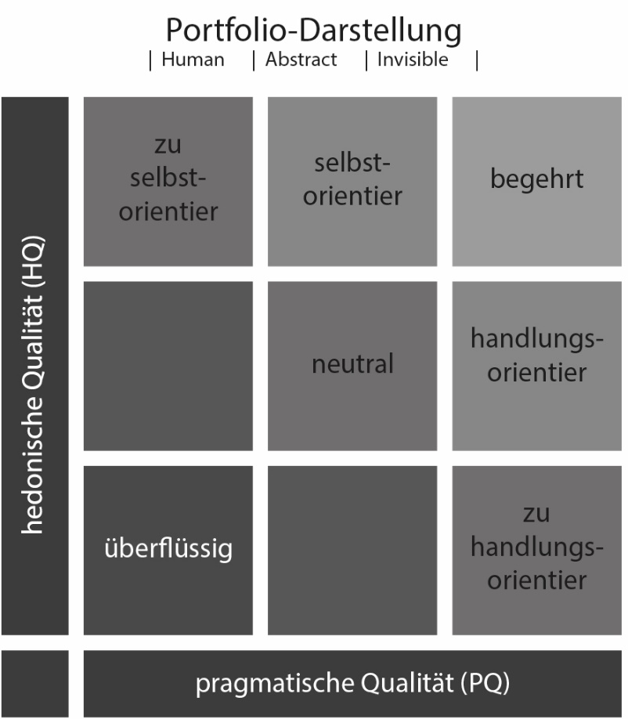

Diagramm der Mittelwerte
 | Human | Abstract | Invisible
PQ | 1.5092592593 | 0.2962962963 | 0.875
HQ | 1.1419753086 | 0.91358024691 | 0.61111111111
ATT | 1.5987654321 | 0.17901234568 | 0.83333333333

Diagramm der Standardabweichung
 | Human | Abstract | Invisible
PQ SD | 1.11903042 | 1.3420496987 | 1.1167392182
HQ SD | 1.1378303154 | 1.2089943874 | 1.2517477493
ATT SD | 1.1660132732 | 1.8186425578 | 1.3992208296

Umwandlung (Luca fehlerhaft)
...
 |  |  |  |  | 3 | 3 | 3 | 3 | 3 | 3 | 3 | 3 | 3 | 3
 |  |  |  |  | 3 | -2 | -2 | -2 | 0 | -0.4 | 1 | -0.33333333333 | -2.3333333333 | -0.55555555556
 |  |  |  |  | 2 | -2 | 1 | 2 | -3 | -0.1 | 0 | 0.33333333333 | -0.66666666667 | -0.11111111111
 |  |  |  |  | 3 | 3 | 3 | 2 | 2 | 2.8 | 2.75 | 3 | 2.6666666667 | 2.8055555556
 |  |  |  |  | 3 | 3 | 2 | 2 | -2 | 1.1 | -0.5 | 2.6666666667 | 1.6666666667 | 1.2777777778
 |  |  |  |  | 3 | 3 | 2 | 2 | -2 | 0.9 | 0 | 2.6666666667 | 0.33333333333 | 1
 |  |  |  |  | 3 | 2 | 3 | 2 | 3 | 2.8 | 3 | 2.6666666667 | 2.6666666667 | 2.7777777778
 |  |  |  |  | 2 | -3 | -2 | -3 | 1 | -0.8 | 1 | -1 | -3 | -1
 |  |  |  |  |  | Mittelwerte:
 |  |  |  |  |  | conditions | Human | Abstract | Invisible |  | Profil der Wortpaare:
Profil der Wortpaare
 |  |  |  |  |  | PQ: technical - human | 1.4814814815 | -1.2592592593 | -1.0925925926
Abstract | 0.4462962963 | 0.2962962963 | 0.91358024691 | 0.17901234568 |  | PQ: complicate - simple | 1.7592592593 | 1.2407407407 | 1.9259259259
Invisible | 0.78333333333 | 0.875 | 0.61111111111 | 0.83333333333 |  | PQ: impractical - practical | 1.6666666667 | 0.81481481481 | 1.6481481481
 | Standardabweichung: |  |  |  |  | PQ: cumbersome - straightforward | 1.1296296296 | 0.38888888889 | 1.0185185185
Visualisierung - SD | Produkt SD | PQ SD | HQ SD | ATT SD |  | HQ: isolating - connective | 1.7037037037 | 0.44444444444 | 0.18518518519
Human | 1.0002194547 | 1.11903042 | 1.1378303154 | 1.1660132732 |  | HQ: unprofessional - professional | 1.3888888889 | 1.037037037 | 1.7407407407
Abstract | 1.302805088 | 1.3420496987 | 1.2089943874 | 1.8186425578 |  | HQ: conventional - inventive | 0.33333333333 | 1.2592592593 | -0.092592592593
Invisible | 1.0115536272 | 1.1167392182 | 1.2517477493 | 1.3992208296 |  | ATT: unpleasant - pleasant | 1.6481481481 | 0.24074074074 | 1.0185185185
 |  |  |  |  |  | ATT: ugly - atttactive | 1.3888888889 | -0.037037037037 | 0.46296296296
 |  |  |  |  |  | ATT: disagreeable - likeable | 1.7592592593 | 0.33333333333 | 1.0185185185

Diagramm der Mittelwerte
 | Human | Abstract | Invisible
PQ | 1.5092592593 | 0.2962962963 | 0.875
HQ | 1.1419753086 | 0.91358024691 | 0.61111111111
ATT | 1.5987654321 | 0.17901234568 | 0.83333333333
 |  |  |  |  |  | Standardabweichung:
 |  |  |  |  |  | conditions | Human SD | Abstract SD | Invisible SD
 |  |  |  |  |  | PQ: technical - human | 1.3843134512 | 1.5537908862 | 1.7874927456
 |  |  |  |  |  | PQ: complicate - simple | 1.3869121736 | 1.7313576902 | 1.4382583584
 |  |  |  |  |  | PQ: impractical - practical | 1.2909944487 | 1.8366038916 | 1.5050213165
 |  |  |  |  |  | PQ: cumbersome - straightforward | 1.7001775103 | 1.8994801108 | 1.7479166513
 |  |  |  |  |  | HQ: isolating - connective | 1.0475656018 | 1.5234788001 | 1.8566604236
 |  |  |  |  |  | HQ: unprofessional - professional | 1.4455124257 | 1.5270761576 | 1.2792530399
 |  |  |  |  |  | HQ: conventional - inventive | 1.9720265944 | 1.5537908862 | 1.8585988203
 |  |  |  |  |  | ATT: unpleasant - pleasant | 1.2195537649 | 1.9238771154 | 1.6385488243
 |  |  |  |  |  | ATT: ugly - atttactive | 1.4709113661 | 2.0544708516 | 1.5836311178
 |  |  |  |  |  | ATT: disagreeable - likeable | 1.2610281694 | 1.8257418584 | 1.4464610804

Standardabweichung der Wortpaare

Diagramm der Standardabweichung

